Request
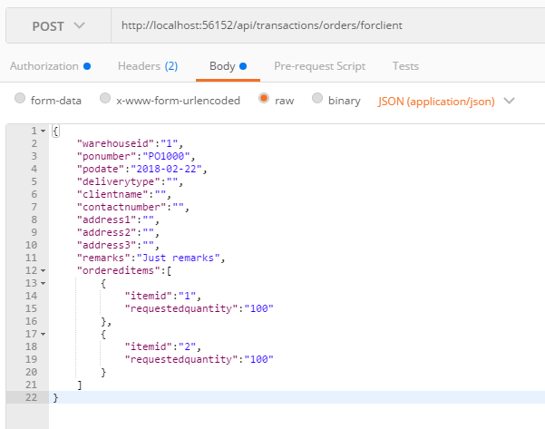
Parameter | Data Type | Length | Required | Unique | Remarks
Token | String |  | Yes |  | Bearer Token see AuthenticateAPI docu
WarehouseId | Int |  | Yes
PODDate | Date |  | Yes
PONumber | String |  | Yes
DeliveryType | Int |  | Yes
ClientName | String |  | Yes
Adddress1 | String |  | See Remarks |  | It will be required if DeliveryType = Delivery
Adddress2 | String
Adddress3 | String
ContactNumber | String |  | See Remarks |  | It will be required if DeliveryType = Delivery
Remarks | String
OrderedItems | Array |  | Yes
ItemId | Int |  | Yes
RequestedQuantity | Int |  | Yes
RequestedRemarks | String

Example

Response
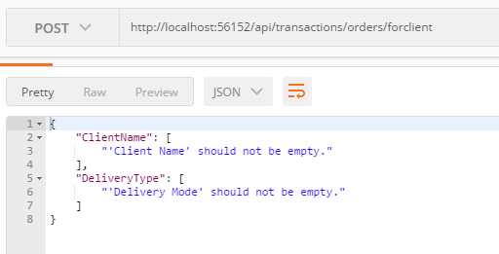
With error

